Request
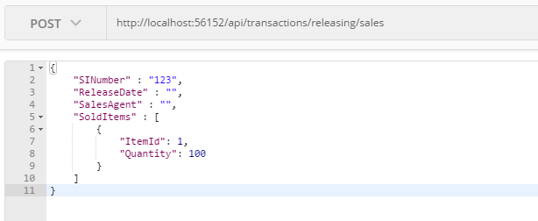
Parameter | Data Type | Length | Required | Unique | Remarks
Token | String |  | Yes |  | Bearer Token see AuthenticateAPI docu
SINumber | String |  | Yes
ReleaseDate | Date |  | Yes
SalesAgent | String |  | Yes
SoldItems | Array |  | Yes
ItemId | Int |  | Yes
Quantity | Int |  | Yes

Example

Response
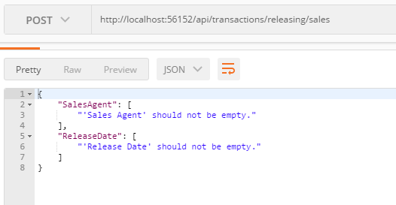
With error

